Readme
The spreadsheets contained within this document shows the assumptions and inputs used to calculate the benefit and capital cost allocation of water utility projects within the Off-Site Levy framework. Wastewater extensions are allocated 100% to the greenfield, as these projects extend from the existing wastewater network to serve new greenfield communities only. Some water extensions are allocated 100% to the greenfield if the project serve new greenfield communities only. Some new water extensions provide redundancy and a level of service improvement to existing customers in the Established Area. The majority of new leviable stormwater projects serves new greenfield communities only. Only one new project (Forest Lawn Creek) provides drainage services to new communities and the Established Area.
Projects that have a 100% greenfield benefit allocation are not shown in these spreadsheets, all other projects that have a Established Area and/or Regional benefit are shown in these spreadsheets.

NWSO
Project | North Water Servicing Option
Year Prepared | 2021
Base Year | 2019
Anticipated Built Out Year | 2048

Benefit Area | North Hill Pressure Zone, Spy Hill East Pressure Zone, Airdrie

Population | Greenfield | Established Area
2019 | 376,722
2048 | 635,405
The project is expected to have a capacity of 300ML/D. It will provide redundancy to Shaganappi Pump Station, which has a capacity of 100ML/D, therefore 66.67% of the project cost is alloted to growth, while 33.33% of the project cost is alloted to level of service improvements, due to the redundancy available.
Between 2019-2048, based on Master Service Agreements, Calgary will have to deliver an additional maximum of 50ML/D to Airdrie. After redundancy and regional considerations, 150ML/D will be available to serve Calgary's growth.
Population Growth | 115,315 | 143,368

 | Greenfield | Established Area | Regional
Additional Maximum Day Demand (ML/D) | 67 | 84
Assumed additional regional demand, based on Master Service Agreements (ML/D) |  |  | 50

The Max Day Demand (67+84) has been rounded down to 150ML/D for calculations

 | Greenfield | Established Area | Regional
Benefit Allocation | 33.4% | 41.6% | 25.0%

Forest Lawn Creek
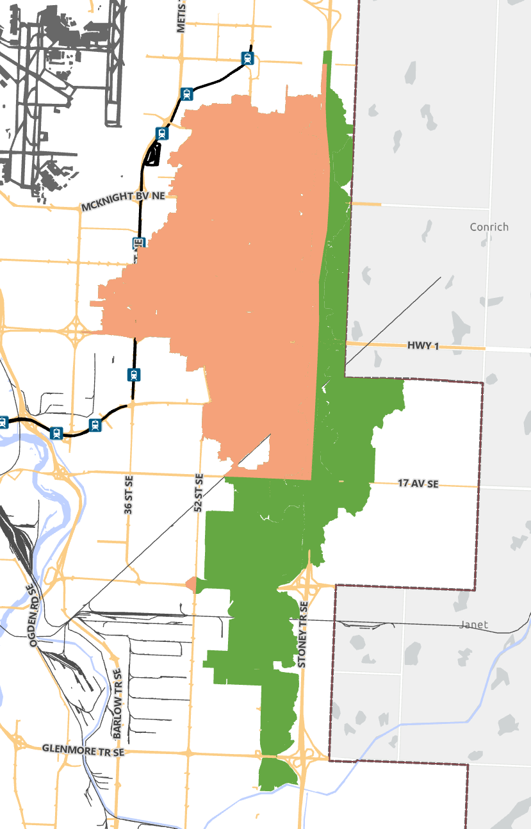
Project | Forest Lawn Creek Improvements
Year Prepared | 2023
Base Year | N/A
Anticipated Built Out Year | N/A

Benefit Area | See attached map

Lands | Greenfield | Established Area | Regional
 | 2,044 | 3,082 | -

Benefit Allocation | 40% | 60% | 0%

Bowness Trunk
Project | Bowness Trunk Upgrade
Year Prepared | 2015
Year Identified | 2009
Base Year | 2014
Anticipated Built Out Year | 2039

Benefit Area | Sanitary Catchment

Population | Greenfield | Established Area | Regional
2014 | 616 | 154,567 | 20,708
2039 | 15,263 | 185,278 | 51,149

Population Growth | 14,647 | 30,711 | 30,441
Benefit Allocation | 19.3% | 40.5% | 40.2%

The need for this project was identified in 2009, however growth in its catchment was allowed to continue, with a reduction in the level of service. This project was initiated in 2014, and capacity is anticipated to be used up by 2039.
Therefore, population growth between 2009 and 2014 alloted to "Service", which brings back the original level of service. Growth between 2014-2039 is alloted to "Growth".

Growth Percentage Determination
Total Population
2009 | 165,006
2014 | 175,891
2039 | 251,690

Service Percentage | 13%
Growth Percentage | 87%

Shouldice Trunk
Project | Shouldice Trunk Upgrade
Year Prepared | 2015
Year Identified | 2009
Base Year | 2019
Anticipated Built Out Year | 2039

Benefit Area | Sanitary Catchment

Population | Greenfield | Established Area | Regional
2019 | 5,764 | 307,891 | 28,320
2039 | 19,621 | 390,608 | 51,149

Population Growth | 13,857 | 82,717 | 22,829
Benefit Allocation | 11.6% | 69.3% | 19.1%

The need for this project was identified in 2009, however growth in its catchment was allowed to continue, with a reduction in the level of service. This project was initiated in 2019, and capacity is anticipated to be used up by 2039.
Therefore, population growth between 2009 and 2019 alloted to "Service", which brings back the original level of service. Growth between 2019-2039 is alloted to "Growth".

Growth Percentage Determination
Total Population
2009 | 266,789
2019 | 341,975
2039 | 461,378

Service Percentage | 39%
Growth Percentage | 61%

Nose Creek Trunk
Project | Nose Creek Trunk Upgrade
Year Prepared | 2015
Year Identified | 2011
Base Year | 2014
Anticipated Built Out Year | 2039

Benefit Area | Sanitary Catchment

Population | Greenfield | Established Area | Regional
2014 | 4,558 | 159,029 | 54,891
2039 | 123,902 | 204,268 | 136,939

Population Growth | 119,344 | 45,239 | 82,048
Benefit Allocation | 48.4% | 18.3% | 33.3%

The need for this project was identified in 2011, however growth in its catchment was allowed to continue, with a reduction in the level of service. This project was initiated in 2014, and capacity is anticipated to be used up by 2039.
Therefore, population growth between 2011 and 2014 alloted to "Service", which brings back the original level of service. Growth between 2014-2039 is alloted to "Growth".

Growth Percentage Determination
Total Population
2011 | 186,190
2014 | 218,478
2039 | 465,109

Service Percentage | 12%
Growth Percentage | 88%

Inglewood Trunk
Project | Inglewood Trunk Upgrade
Year Prepared | 2015
Year Identified | 2011
Base Year | 2014
Anticipated Built Out Year | 2039

Benefit Area | Sanitary Catchment

Population | Greenfield | Established Area | Regional
2014 | 10,927 | 980,984 | 78,850
2039 | 156,822 | 1,330,240 | 192,588

Population Growth | 145,895 | 349,256 | 113,738
Benefit Allocation | 24.0% | 57.4% | 18.7%

The need for this project was identified in 2011, however growth in its catchment was allowed to continue, with a reduction in the level of service. This project was initiated in 2014, and capacity is anticipated to be used up by 2039.
Therefore, population growth between 2011 and 2014 alloted to "Service", which brings back the original level of service. Growth between 2014-2039 is alloted to "Growth".

Growth Percentage Determination
Total Population
2011 | 975,790
2014 | 1,070,761
2039 | 1,679,650

Service Percentage | 13%
Growth Percentage | 87%

McKenzie Siphon
Project | McKenzie Siphon Upgrade
Year Prepared | 2015
Year Identified | 2014
Base Year | 2018
Anticipated Built Out Year | 2039

Benefit Area | Sanitary Catchment

Population | Greenfield | Established Area | Regional
2018 | 10,088 | 97,484 | -
2039 | 15,805 | 105,883 | -

Population Growth | 5,717 | 8,399 | -
Benefit Allocation | 40.5% | 59.5% | 0.0%

The need for this project was identified in 2011, however growth in its catchment was allowed to continue, with a reduction in the level of service. This project was initiated in 2014, and capacity is anticipated to be used up by 2039.
Therefore, population growth between 2011 and 2014 alloted to "Service", which brings back the original level of service. Growth between 2014-2039 is alloted to "Growth".

Growth Percentage Determination
Total Population
2014 | 84,135
2018 | 107,572
2039 | 121,688

Service Percentage | 62%
Growth Percentage | 38%

Water Treatment - North
Project | BPWTP Capacity Upgrades, Bearspaw RTF Fourth Thickener, Bearspaw UV Disinfection
Year Prepared | 2015
Base Year | 2025
Anticipated Built Out Year | 2033

Benefit Area | Bearspaw Water Treatment Plant

Population | Greenfield | Established Area | Regional
2025 | 533,616 | 961,888
2033 | 635,551 | 1,042,503
Water Treatment's benefit allocation is calculated based on the volume of water consumed. Calgary's maximum day demand was 650 liters/capita/day. Regional's benefit allocation was calculated based on the maximum contract volumes Calgary has to deliver per day.
Population Growth | 101,935 | 80,615
Additional Water Consumption (ML/D) | 66.3 | 52.4 | 29.2
Benefit Allocation | 44.8% | 35.4% | 19.8%

Water Treatment - South
Project | GM WTP Capacity Expansion, Glenmore UV Disinfection
Year Prepared | 2015
Base Year | 2018
Anticipated Built Out Year | 2025

Benefit Area | Glenmore Water Treatment Plant

Water Treatment's benefit allocation is calculated based on the volume of water consumed. Calgary's maximum day demand was 650 liters/capita/day. Regional's benefit allocation was calculated based on the maximum contract volumes Calgary has to deliver per day.
Population | Greenfield | Established Area | Regional
2018 | 406,688 | 909,174
2025 | 533,616 | 961,888

Population Growth | 126,928 | 52,714
Additional Water Consumption (ML/D) | 82.50 | 34.26 | 29.2
Benefit Allocation | 56.5% | 23.5% | 20.0%

