Step 2B - Instructions
Step 2b: Identify Impacts and Consequences

Purpose
For each Asset identified in Step 2A, identify the Impact of each Climate Hazard and assess the Consequence of that Impact on the Asset System, Subsystem, or Component.
Step 2B Instructions
Go to Step 2B - Impacts-Consequences Tab
1. Identify Impacts to the Asset Systems, Subsystems, and Components for all Hazards with Exposure = Yes (Row 3)
2. Enter an Impact description based on knowledge of existing impacts to City infrastructure, maintenance history, personal experience, and expertise from the project team.
Consider each Asset System, Subsystem, and Component in isolation and in terms of connected functionality (e.g. roof systems and roof drainage systems).
*Each Asset Category System, Subsystem, Component is autopopulated from Step 2A - please do not alter any content in Column B of the Step 2B Impacts-ConsquencesTab.
3. Identify the Consequence(s) of the Impact on the Asset System, Subsystem, or Component.
4. Assign a Consequence Rating of 1 to 5 (dropdown). Consider immediate and long-term impacts; some hazards cause acute or sudden impacts (shocks), while others contribute chronic impacts (stressors) over time.
Helpful Hints
Refer to the 'Resources' Tab for hazards mapping and data resources to determine Hazards Impacts.
Where more than one Consequence may occur, only assign a Consequence Rating for the highest Impact.
Consequence Rating is a qualitative assessment based on professional judgment. The Consequence Scale is from the Climate Risk and Resilience Assessment Process (adapted from the PIEVC High Level Screening Guide).

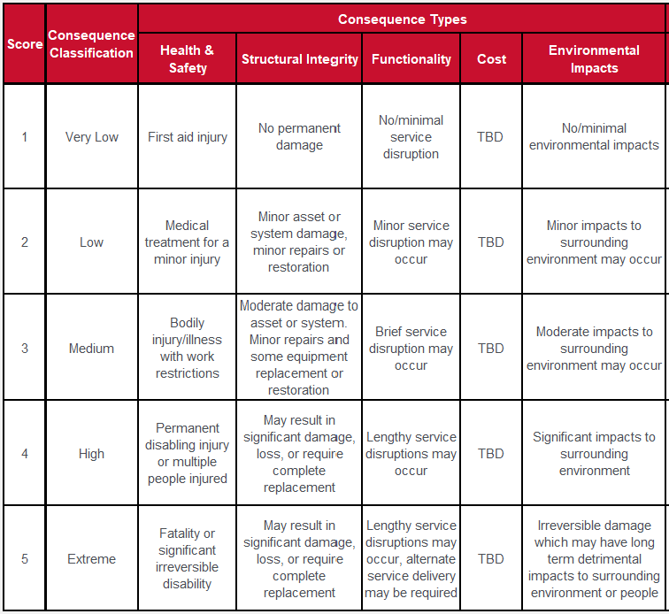
Guidance
Asset systems or components may be impacted differently by each Hazard. Due to Worksheet limitations, only the highest Impact is assigned a Consequence rating. However, consider all Impacts when evaluating resilience strategies. Example: a severe storm with large hail was determined to impact structural integrity and drainage function of a roof. A 3 was chosen for functionality impact but a 4 was chosen for structural impact. The project team assigned a Consequence rating of 4 in the risk calculation, as this was the highest rating. The asset owner still considered how drainge impacts could be mitigated by changes to O&M practices.
Please Contact Climate & Environment for assistrance with any of these instructions

Design
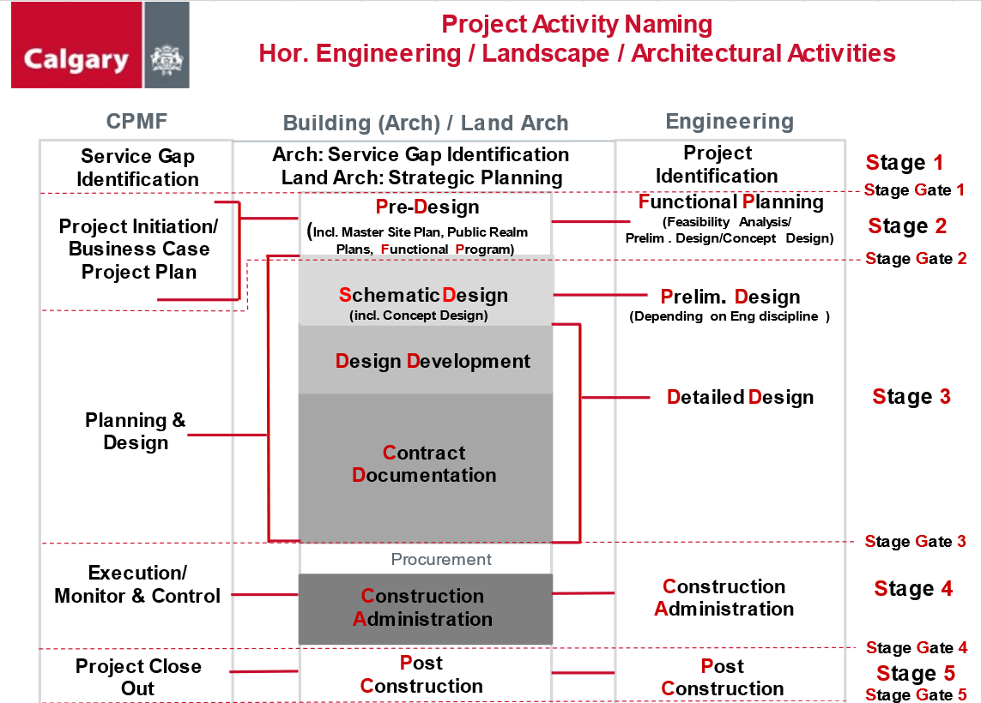

Climate Hazards Indicators
Note to User: These hazards are optional if additional indicators are identified

From Appendix 1 - Climate Risk Assessment Process Guide: https://www.calgary.ca/content/dam/www/uep/esm/documents/Climate-Risk-Assessment-Framework-and-Process-Guide.pdf
